DATI
 |  | Stagione | Collezione | Marchio | Articolo | Descrizione | Colore | Q.ta | Tot € | Price | Listino 001 | Listino 002 | Taglia/Q.ta | Taglia/Q.ta | Taglia/Q.ta | Taglia/Q.ta | Taglia/Q.ta | Taglia/Q.ta | Taglia/Q.ta | Taglia/Q.ta | Taglia/Q.ta | Taglia/Q.ta | Taglia/Q.ta | Taglia/Q.ta | Taglia/Q.ta | Taglia/Q.ta | Taglia/Q.ta | Taglia/Q.ta | Taglia/Q.ta | Taglia/Q.ta | Taglia/Q.ta | Taglia/Q.ta |  | Materiale | Tariffa doganale
Pics |  | Season | Collection | Brand | Article Nr | Description | Colore | Qty | Tot € | Price | Whs price | Retail price | Size/Qty | Size/Qty | Size/Qty | Size/Qty | Size/Qty | Size/Qty | Size/Qty | Size/Qty | Size/Qty | Size/Qty | Size/Qty | Size/Qty | Size/Qty | Size/Qty | Size/Qty | Size/Qty | Size/Qty | Size/Qty | Size/Qty | Size/Qty |  | Material | Custom code
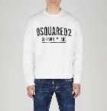 |  | A23 | PRE | DSQUA | S71GU0448_S25516_100 | SWEATSHIRT - MADE IN ROMANIA | 100 | 24 | € 3,096 | € 129.00 | € 129.00 | € 350.00 |  |  | S/3 | M/6 | L/6 | XL/6 | XXL/3 |  |  |  |  |  |  |  |  |  |  |  |  |  | MAN | 100,00 % CO | 61102091
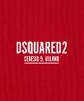 | pic as above, different colour | A23 | PRE | DSQUA | S71GU0448_S25516_312 | SWEATSHIRT - MADE IN ROMANIA | 312 | 16 | € 2,064 | € 129.00 | € 129.00 | € 350.00 |  |  | S/2 | M/4 | L/4 | XL/4 | XXL/2 |  |  |  |  |  |  |  |  |  |  |  |  |  | MAN | 100,00 % CO | 61102091
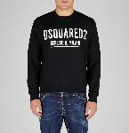 |  | A23 | PRE | DSQUA | S71GU0448_S25516_900 | SWEATSHIRT - MADE IN ROMANIA | 900 | 40 | € 5,160 | € 129.00 | € 129.00 | € 350.00 |  |  | S/5 | M/10 | L/10 | XL/10 | XXL/5 |  |  |  |  |  |  |  |  |  |  |  |  |  | MAN | 100,00 % CO | 61102091
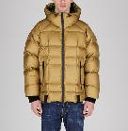 | 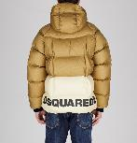 | A23 | PRE | DSQUA | S74AM1414_S54056_132 | CABAN - MADE IN CHINA | 132 | 4 | € 1,464 | € 366.00 | € 366.00 | € 990.00 |  | 46/1 | 48/1 | 50/1 | 52/1 |  |  |  |  |  |  |  |  |  |  |  |  |  |  |  | MAN | 100,00 % PA | 62014010
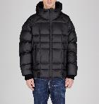 | 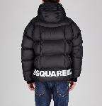 | A23 | PRE | DSQUA | S74AM1414_S54056_900 | CABAN - MADE IN CHINA | 900 | 4 | € 1,464 | € 366.00 | € 366.00 | € 990.00 |  | 46/1 | 48/1 | 50/1 | 52/1 |  |  |  |  |  |  |  |  |  |  |  |  |  |  |  | MAN | 100,00 % PA | 62014010
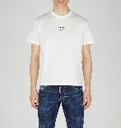 |  | A23 | PRE | DSQUA | S74GD0997_S23009_100 | T-SHIRT - MADE IN ROMANIA | 100 | 24 | € 1,728 | € 72.00 | € 72.00 | € 195.00 |  |  | S/3 | M/6 | L/6 | XL/6 | XXL/3 |  |  |  |  |  |  |  |  |  |  |  |  |  | MAN | 100,00 % CO | 61091000
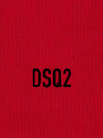 | pic as above, different colour | A23 | PRE | DSQUA | S74GD0997_S23009_312 | T-SHIRT - MADE IN ROMANIA | 312 | 24 | € 1,728 | € 72.00 | € 72.00 | € 195.00 |  |  | S/3 | M/6 | L/6 | XL/6 | XXL/3 |  |  |  |  |  |  |  |  |  |  |  |  |  | MAN | 100,00 % CO | 61091000
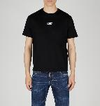 |  | A23 | PRE | DSQUA | S74GD0997_S23009_900 | T-SHIRT - MADE IN ROMANIA | 900 | 40 | € 2,880 | € 72.00 | € 72.00 | € 195.00 |  |  | S/5 | M/10 | L/10 | XL/10 | XXL/5 |  |  |  |  |  |  |  |  |  |  |  |  |  | MAN | 100,00 % CO | 61091000
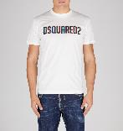 |  | A23 | PRE | DSQUA | S74GD1158_S23009_100 | T-SHIRT - MADE IN ROMANIA | 100 | 24 | € 2,112 | € 88.00 | € 88.00 | € 240.00 |  |  | S/3 | M/6 | L/6 | XL/6 | XXL/3 |  |  |  |  |  |  |  |  |  |  |  |  |  | MAN | 100,00 % CO | 61091000
 | pic as above, different colour | A23 | PRE | DSQUA | S74GD1158_S23009_312 | T-SHIRT - MADE IN ROMANIA | 312 | 8 | € 704 | € 88.00 | € 88.00 | € 240.00 |  |  | S/1 | M/2 | L/2 | XL/2 | XXL/1 |  |  |  |  |  |  |  |  |  |  |  |  |  | MAN | 100,00 % CO | 61091000
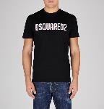 |  | A23 | PRE | DSQUA | S74GD1158_S23009_900 | T-SHIRT - MADE IN ROMANIA | 900 | 40 | € 3,520 | € 88.00 | € 88.00 | € 240.00 |  |  | S/5 | M/10 | L/10 | XL/10 | XXL/5 |  |  |  |  |  |  |  |  |  |  |  |  |  | MAN | 100,00 % CO | 61091000
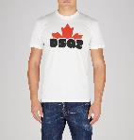 |  | A23 | PRE | DSQUA | S74GD1159_S23009_100 | T-SHIRT - MADE IN ROMANIA | 100 | 24 | € 1,944 | € 81.00 | € 81.00 | € 220.00 |  |  | S/3 | M/6 | L/6 | XL/6 | XXL/3 |  |  |  |  |  |  |  |  |  |  |  |  |  | MAN | 100,00 % CO | 61091000
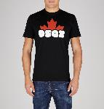 |  | A23 | PRE | DSQUA | S74GD1159_S23009_900 | T-SHIRT - MADE IN ROMANIA | 900 | 40 | € 3,240 | € 81.00 | € 81.00 | € 220.00 |  |  | S/5 | M/10 | L/10 | XL/10 | XXL/5 |  |  |  |  |  |  |  |  |  |  |  |  |  | MAN | 100,00 % CO | 61091000
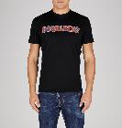 |  | A23 | PRE | DSQUA | S74GD1164_S23009_900 | T-SHIRT - MADE IN ROMANIA | 900 | 40 | € 3,240 | € 81.00 | € 81.00 | € 220.00 |  |  | S/5 | M/10 | L/10 | XL/10 | XXL/5 |  |  |  |  |  |  |  |  |  |  |  |  |  | MAN | 100,00 % CO | 61091000
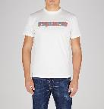 |  | A23 | PRE | DSQUA | S74GD1165_S23009_100 | T-SHIRT - MADE IN ITALY | 100 | 40 | € 3,520 | € 88.00 | € 88.00 | € 240.00 |  |  | S/5 | M/10 | L/10 | XL/10 | XXL/5 |  |  |  |  |  |  |  |  |  |  |  |  |  | MAN | 100,00 % CO | 61091000
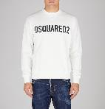 |  | A23 | PRE | DSQUA | S74GU0663_S25538_100 | SWEATSHIRT - MADE IN ITALY | 100 | 24 | € 3,456 | € 144.00 | € 144.00 | € 390.00 |  |  | S/3 | M/6 | L/6 | XL/6 | XXL/3 |  |  |  |  |  |  |  |  |  |  |  |  |  | MAN | 100,00 % CO | 61102091
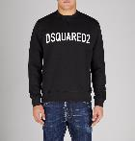 |  | A23 | PRE | DSQUA | S74GU0663_S25538_900 | SWEATSHIRT - MADE IN ITALY | 900 | 40 | € 5,760 | € 144.00 | € 144.00 | € 390.00 |  |  | S/5 | M/10 | L/10 | XL/10 | XXL/5 |  |  |  |  |  |  |  |  |  |  |  |  |  | MAN | 100,00 % CO | 61102091
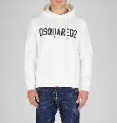 |  | A23 | PRE | DSQUA | S74GU0664_S25538_100 | SWEATSHIRT - MADE IN ITALY | 100 | 24 | € 4,344 | € 181.00 | € 181.00 | € 490.00 |  |  | S/3 | M/6 | L/6 | XL/6 | XXL/3 |  |  |  |  |  |  |  |  |  |  |  |  |  | MAN | 100,00 % CO | 61102091
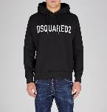 |  | A23 | PRE | DSQUA | S74GU0664_S25538_900 | SWEATSHIRT - MADE IN ITALY | 900 | 40 | € 7,240 | € 181.00 | € 181.00 | € 490.00 |  |  | S/5 | M/10 | L/10 | XL/10 | XXL/5 |  |  |  |  |  |  |  |  |  |  |  |  |  | MAN | 100,00 % CO | 61102091
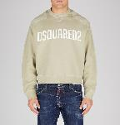 |  | A23 | PRE | DSQUA | S74GU0724_S25030_113 | SWEATSHIRT - MADE IN ITALY | 113 | 16 | € 3,248 | € 203.00 | € 203.00 | € 550.00 |  |  | S/2 | M/4 | L/4 | XL/4 | XXL/2 |  |  |  |  |  |  |  |  |  |  |  |  |  | MAN | 100,00 % CO | 61102091
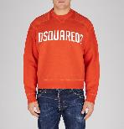 |  | A23 | PRE | DSQUA | S74GU0724_S25030_311 | SWEATSHIRT - MADE IN ITALY | 311 | 16 | € 3,248 | € 203.00 | € 203.00 | € 550.00 |  |  | S/2 | M/4 | L/4 | XL/4 | XXL/2 |  |  |  |  |  |  |  |  |  |  |  |  |  | MAN | 100,00 % CO | 61102091
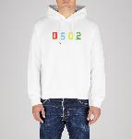 |  | A23 | PRE | DSQUA | S74GU0729_S25516_100 | HOODIE - MADE IN ITALY | 100 | 40 | € 7,240 | € 181.00 | € 181.00 | € 490.00 |  |  | S/5 | M/10 | L/10 | XL/10 | XXL/5 |  |  |  |  |  |  |  |  |  |  |  |  |  | MAN | 100,00 % CO | 61102091
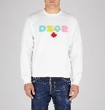 |  | A23 | PRE | DSQUA | S74GU0731_S25516_100 | SWEATSHIRT - MADE IN ITALY | 100 | 24 | € 4,344 | € 181.00 | € 181.00 | € 490.00 |  |  | S/3 | M/6 | L/6 | XL/6 | XXL/3 |  |  |  |  |  |  |  |  |  |  |  |  |  | MAN | 100,00 % CO | 61102091
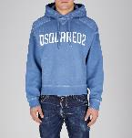 |  | A23 | PRE | DSQUA | S74GU0736_S25030_508 | HOODIE - MADE IN ITALY | 508 | 8 | € 1,832 | € 229.00 | € 229.00 | € 620.00 |  |  | S/1 | M/2 | L/2 | XL/2 | XXL/1 |  |  |  |  |  |  |  |  |  |  |  |  |  | MAN | 100,00 % CO | 61102091
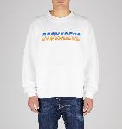 |  | A23 | PRE | DSQUA | S74GU0743_S25516_100 | SWEATSHIRT - MADE IN ITALY | 100 | 24 | € 4,344 | € 181.00 | € 181.00 | € 490.00 |  |  | S/3 | M/6 | L/6 | XL/6 | XXL/3 |  |  |  |  |  |  |  |  |  |  |  |  |  | MAN | 100,00 % CO | 61102091
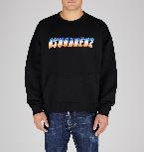 |  | A23 | PRE | DSQUA | S74GU0743_S25516_900 | SWEATSHIRT - MADE IN ITALY | 900 | 40 | € 7,240 | € 181.00 | € 181.00 | € 490.00 |  |  | S/5 | M/10 | L/10 | XL/10 | XXL/5 |  |  |  |  |  |  |  |  |  |  |  |  |  | MAN | 100,00 % CO | 61102091
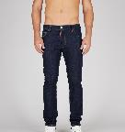 | 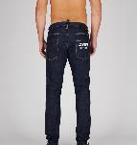 | A23 | PRE | DSQUA | S74LB1134_S30664_470 | COOL GUY JEANS - MADE IN ROMANIA | 470 | 90 | € 11,610 | € 129.00 | € 129.00 | € 350.00 |  |  |  | 50/10 | 52/10 | 54/20 | 56/20 | 58/20 |  | 60/10 |  |  |  |  |  |  |  |  |  |  | MAN | 99,00 % CO 1,00 % EA | 62034231
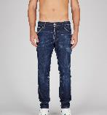 | 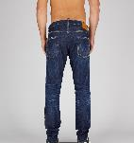 | A23 | PRE | DSQUA | S74LB1315_S30342_470 | COOL GUY JEANS - MADE IN ITALY | 470 | 45 | € 8,640 | € 192.00 | € 192.00 | € 520.00 |  |  | 48/5 | 50/5 | 52/10 | 54/10 | 56/10 | 58/5 |  |  |  |  |  |  |  |  |  |  |  |  | MAN | 98,00 % CO 2,00 % EA | 62034231
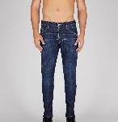 | 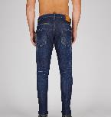 | A23 | PRE | DSQUA | S74LB1316_S30342_470 | SKATER JEANS - MADE IN ITALY | 470 | 45 | € 8,640 | € 192.00 | € 192.00 | € 520.00 |  |  | 48/5 | 50/5 | 52/10 | 54/10 | 56/10 | 58/5 |  |  |  |  |  |  |  |  |  |  |  |  | MAN | 98,00 % CO 2,00 % EA | 62034231
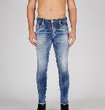 | 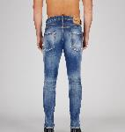 | A23 | PRE | DSQUA | S74LB1317_S30664_470 | SKATER JEANS - MADE IN ITALY | 470 | 45 | € 8,145 | € 181.00 | € 181.00 | € 490.00 |  |  | 48/5 | 50/5 | 52/10 | 54/10 | 56/10 | 58/5 |  |  |  |  |  |  |  |  |  |  |  |  | MAN | 99,00 % CO 1,00 % EA | 62034231
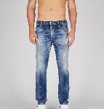 | 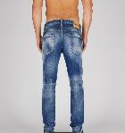 | A23 | PRE | DSQUA | S74LB1318_S30664_470 | COOL GUY JEANS - MADE IN ITALY | 470 | 45 | € 8,145 | € 181.00 | € 181.00 | € 490.00 |  |  | 48/5 | 50/5 | 52/10 | 54/10 | 56/10 | 58/5 |  |  |  |  |  |  |  |  |  |  |  |  | MAN | 99,00 % CO 1,00 % EA | 62034231
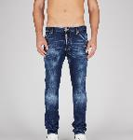 | 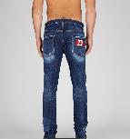 | A23 | PRE | DSQUA | S74LB1336_S30664_470 | COOL GUY JEANS - MADE IN ROMANIA | 470 | 45 | € 9,810 | € 218.00 | € 218.00 | € 590.00 |  |  | 48/5 | 50/5 | 52/10 | 54/10 | 56/10 | 58/5 |  |  |  |  |  |  |  |  |  |  |  |  | MAN | 99,00 % CO 1,00 % EA | 62034231
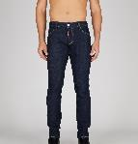 | 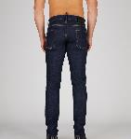 | A23 | PRE | DSQUA | S74LB1385_S30664_470 | SLIM JEANS - MADE IN ROMANIA | 470 | 45 | € 5,310 | € 118.00 | € 118.00 | € 320.00 |  |  | 48/5 | 50/5 | 52/10 | 54/10 | 56/10 | 58/5 |  |  |  |  |  |  |  |  |  |  |  |  | MAN | 99,00 % CO 1,00 % EA | 62034231
 |  |  |  |  |  |  |  | 1048 | € 150,460

